Overall
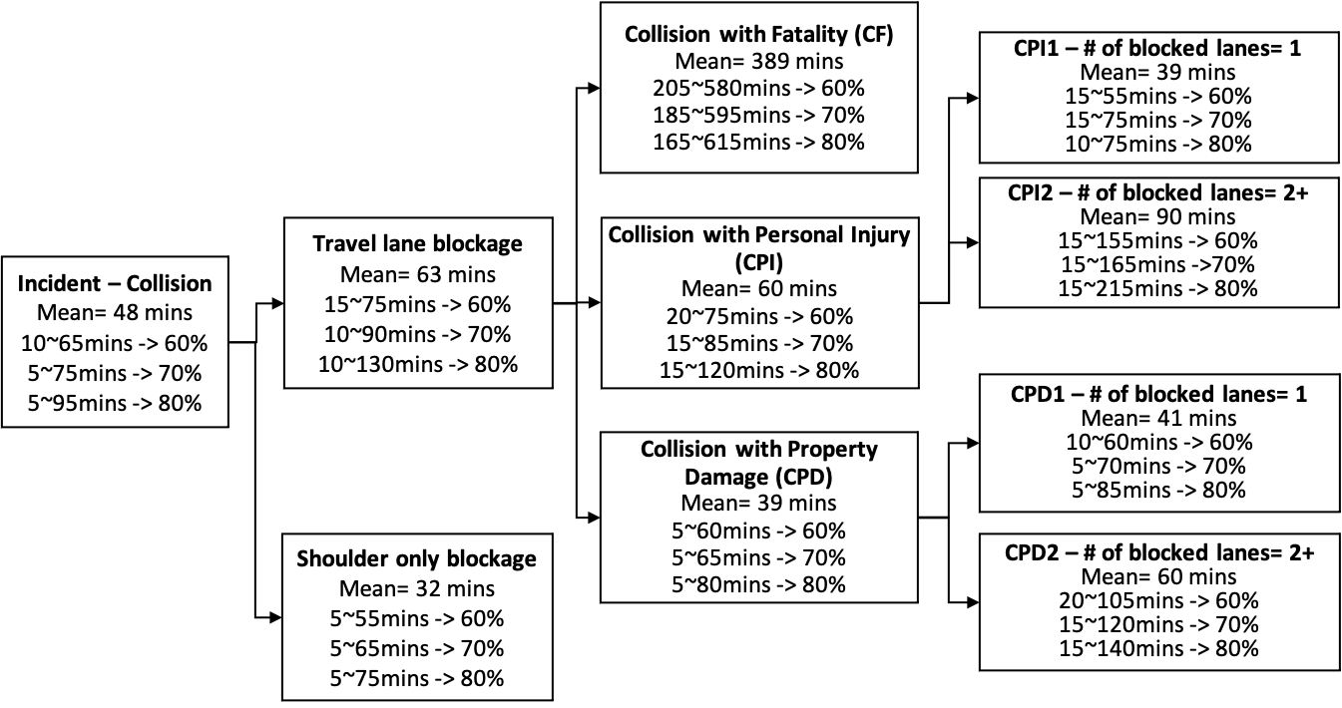

CPI-1
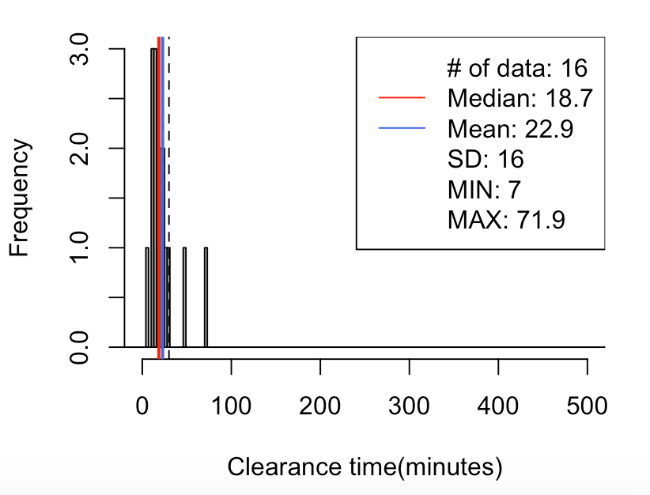
CPI-1 Lane-1
70% | 5-35
80% | 5-45

70// mean=23, median=19, SD=16, x=[7, 72], [-30, 30)-> 88%(14/16)
5% 10% 15% 20% 80% 85% 90% 95%
10.8 12.5 13.0 13.0 26.6 28.8 38.0 52.8

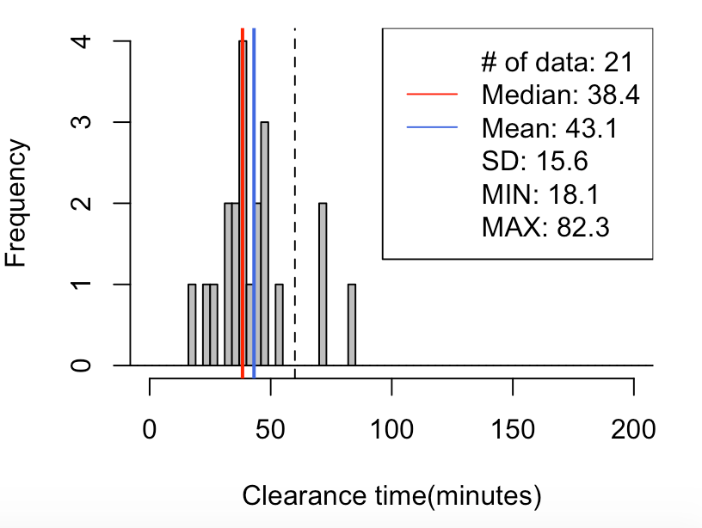

CPI-1 Lane-2
60% | 25-55
70% | 25-60
80% | 20-80
70// mean=43, median=38, SD=16, x=[18, 82], [-60, 60)-> 86%(18/21)
5% 10% 15% 20% 80% 85% 90% 95%
24.4 27.1 32.6 32.9 48.7 54.3 70.2 70.3

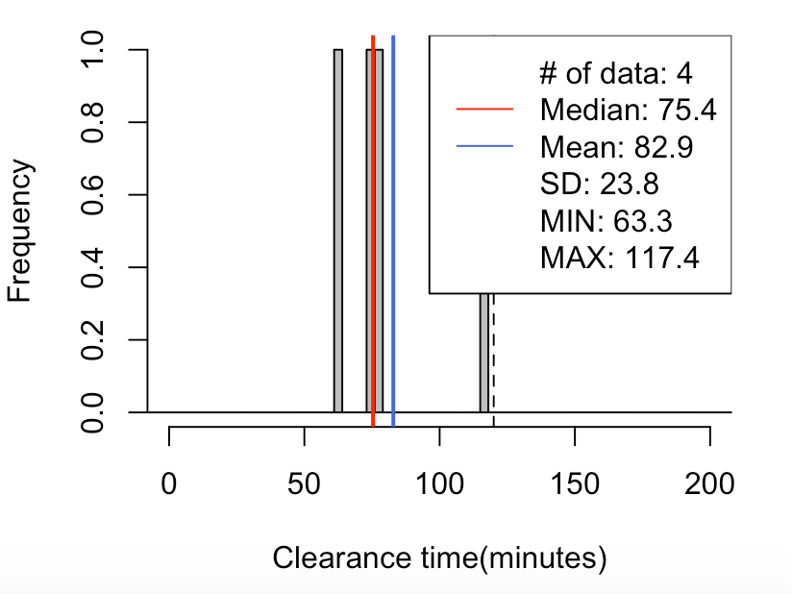

CPI-1 Lane-3
60% | 65-110
70% | 65-115
80% | 65-120
70// mean=83, median=75, SD=24, x=[63, 117], [-120, 120)-> 100%(4/4)
5% 10% 15% 20% 80% 85% 90% 95%
64.8 66.3 67.8 69.3 93.5 99.4 105.4 111.4

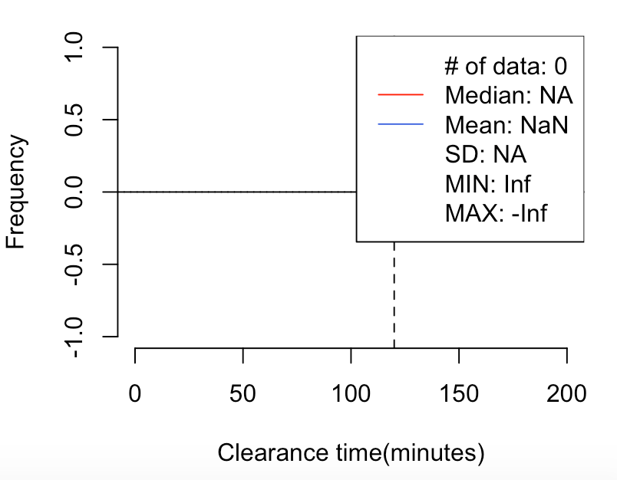

CPI-1 Lane-4
100% | >120

70// mean=NaN, median=NA, SD=NA, x=[Inf, -Inf], [120, 1200)-> NaN%(0/0)
5% 10% 15% 20% 80% 85% 90% 95%
NA NA NA NA NA NA NA NA

CPI-2
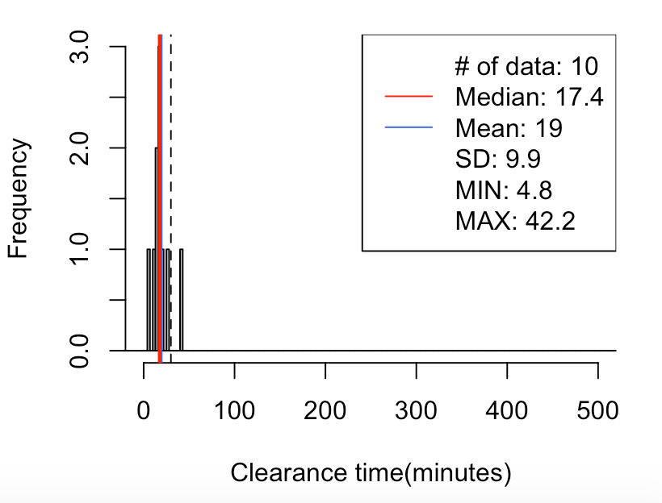
CPI-2 Lane-1
70% | 5-30
80% | 5-35

70// mean=19, median=17, SD=10, x=[5, 42], [-30, 30)-> 90%(9/10)
5% 10% 15% 20% 80% 85% 90% 95%
8.1 11.5 13.3 14.7 20.8 24.1 28.1 35.2

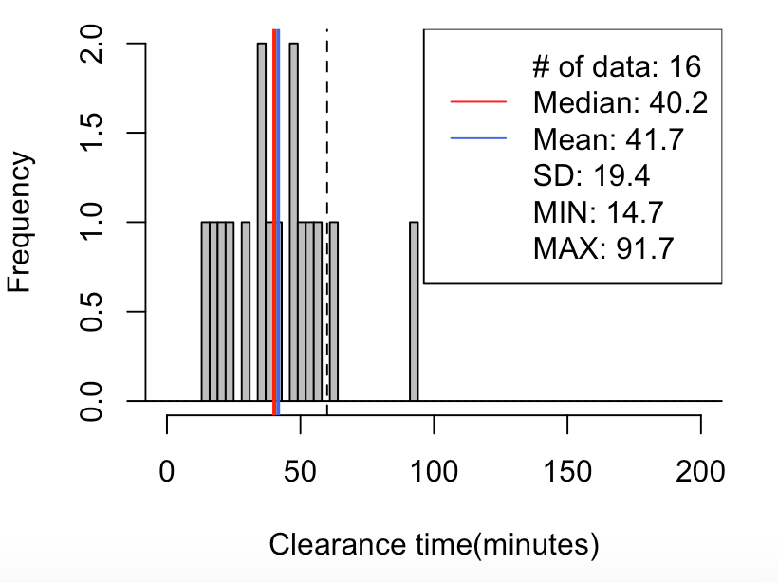
CPI-2 Lane-2
60% | 20-60
70% | 20-65
80% | 15-65
70// mean=42, median=40, SD=19, x=[15, 92], [-60, 60)-> 88%(14/16)
5% 10% 15% 20% 80% 85% 90% 95%
16.9 19.3 21.9 24.8 52.4 55.9 59.3 69.1

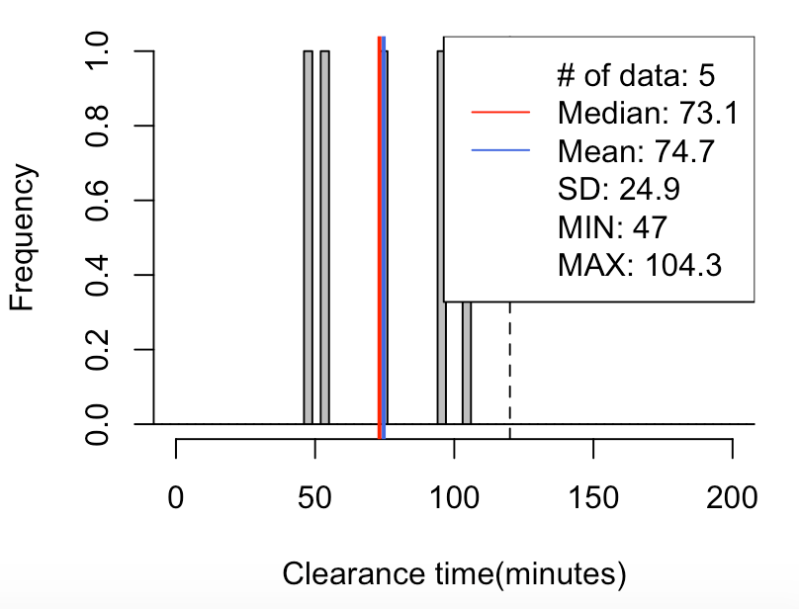

CPI-2 Lane-3
70% | 50-105
80% | 45-110

70// mean=75, median=73, SD=25, x=[47, 104], [-120, 120)-> 100%(5/5)
5% 10% 15% 20% 80% 85% 90% 95%
48.4 49.8 51.2 52.5 96.7 98.6 100.5 102.4

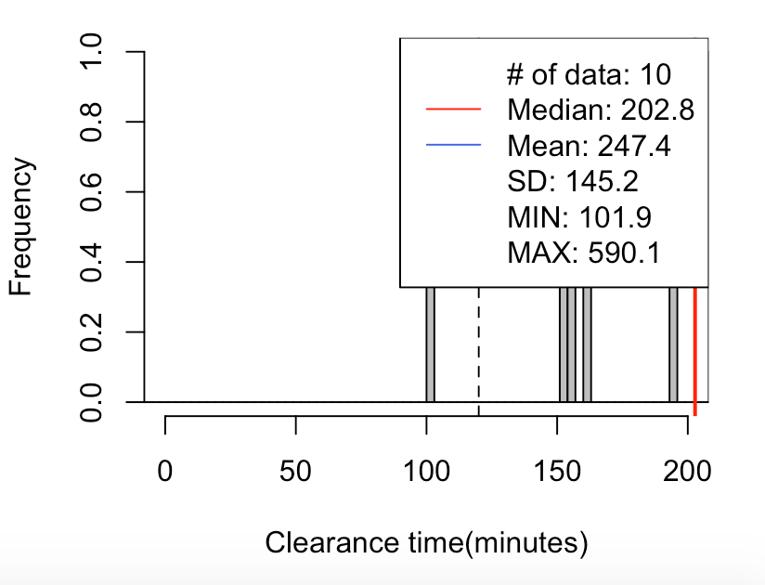

CPI-2 Lane-4
100% | >120

70// mean=247, median=203, SD=145, x=[102, 590], [120, 1200)-> 90%(9/10)
5% 10% 15% 20% 80% 85% 90% 95%
124.2 146.5 152.5 153.9 328.4 354.1 395.7 492.9

CPD-1
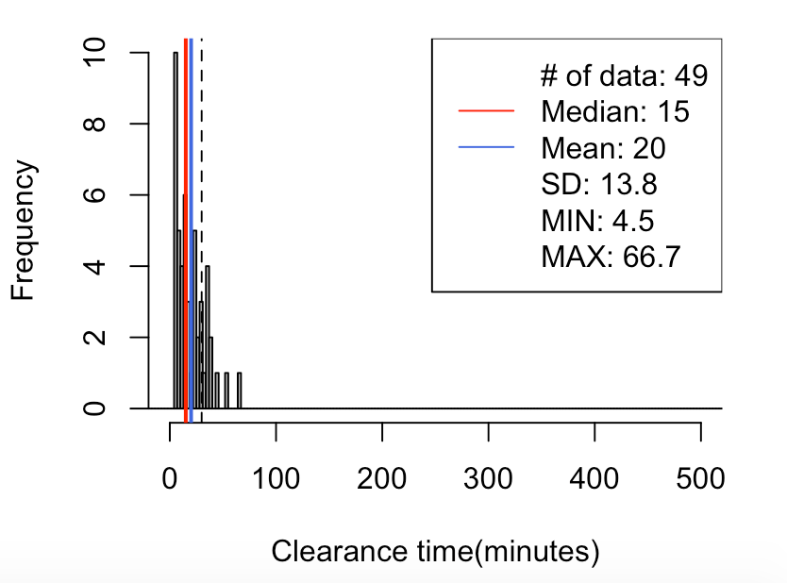
CPD-1 Lane-1
70% | 5-40
80% | 5-45

70// mean=20, median=15, SD=14, x=[5, 67], [-30, 30)-> 80%(39/49)
5% 10% 15% 20% 80% 85% 90% 95%
5.1 6.2 6.4 7.2 30.5 34.2 35.7 42.7

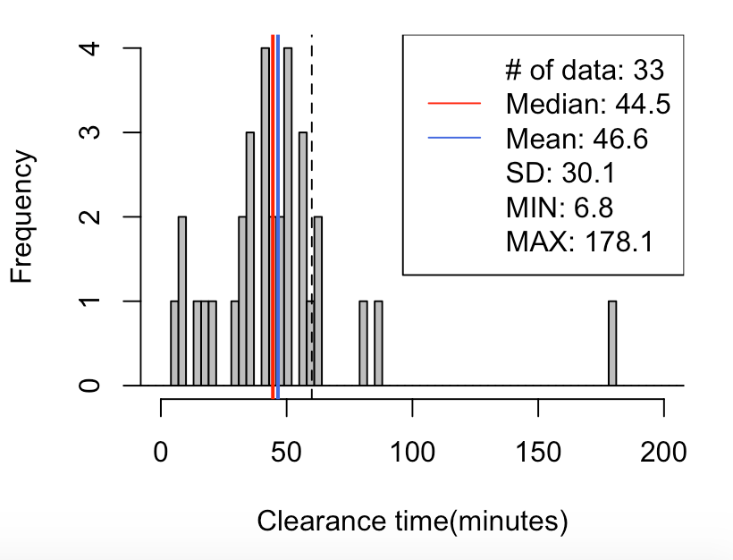
CPD-1 Lane-2
60% | 25-65
70% | 20-65
80% | 10-70
70// mean=47, median=45, SD=30, x=[7, 178], [-60, 60)-> 85%(28/33)
5% 10% 15% 20% 80% 85% 90% 95%
9.0 14.2 21.3 31.2 57.4 59.4 63.6 82.4

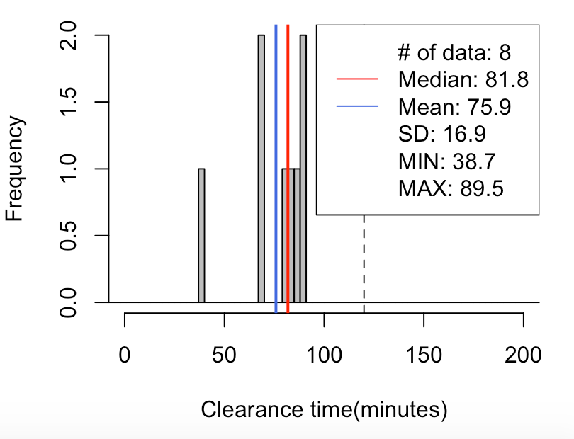

CPD-1 Lane-3
70% | 60-95
80% | 55-95

70// mean=76, median=82, SD=17, x=[39, 90], [-120, 120)-> 100%(8/8)
5% 10% 15% 20% 80% 85% 90% 95%
49.5 60.3 69.5 69.5 88.0 88.0 88.5 89.0

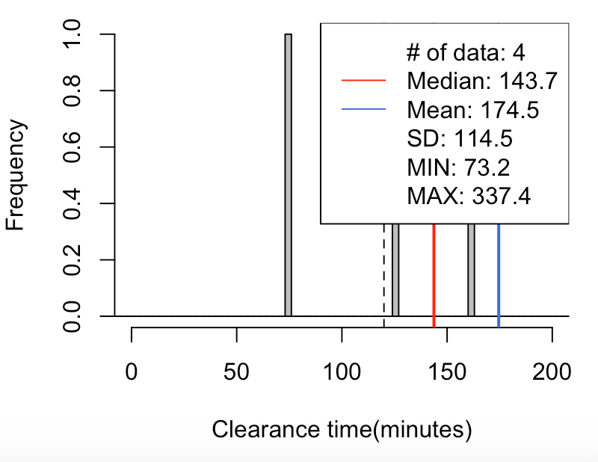

CPD-1 Lane-4
60% | >100
70% | >95
80% | >85
70// mean=175, median=144, SD=114, x=[73, 337], [120, 1200)-> 75%(3/4)
5% 10% 15% 20% 80% 85% 90% 95%
81.1 89.1 97.0 104.9 231.8 258.2 284.6 311.0

CPD-2
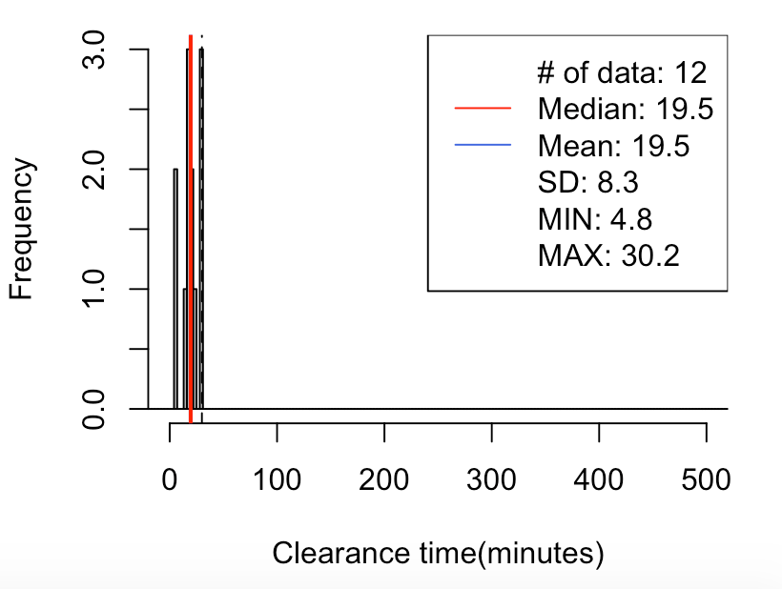
CPD-2 Lane-1
70% | 10-35
80% | 5-35

70// mean=19, median=20, SD=8, x=[5, 30], [-30, 30)-> 83%(10/12)
5% 10% 15% 20% 80% 85% 90% 95%
5.6 7.2 12.2 15.5 27.5 29.0 30.0 30.2

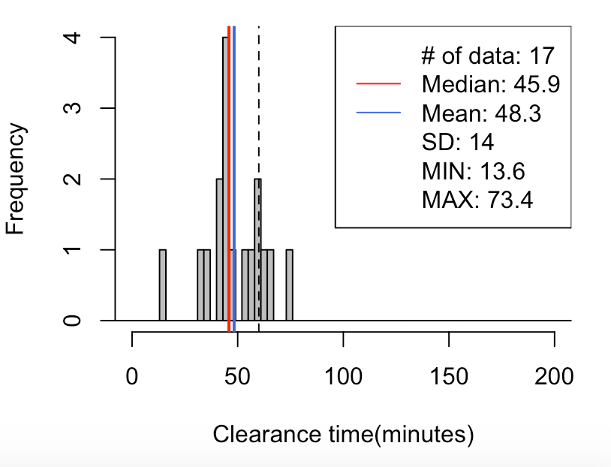
CPD-2 Lane-2
60% | 35-65
70% | 30-70
80% | 25-70
70// mean=48, median=46, SD=14, x=[14, 73], [-60, 60)-> 82%(14/17)
5% 10% 15% 20% 80% 85% 90% 95%
29.4 34.4 37.9 42.1 58.8 61.5 63.6 66.0

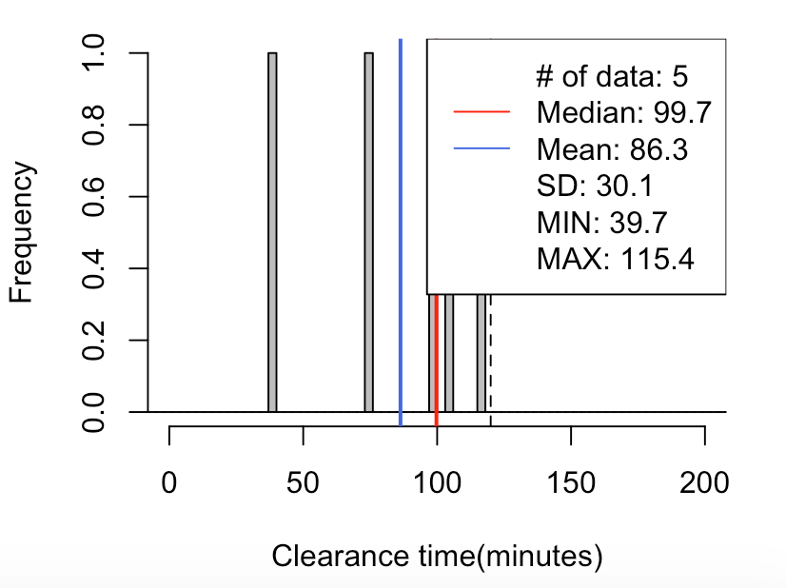
CPD-2 Lane-3
60% | 60-110
70% | 55-115
80% | 50-115
70// mean=86, median=100, SD=30, x=[40, 115], [-120, 120)-> 100%(5/5)
5% 10% 15% 20% 80% 85% 90% 95%
46.5 53.3 60.1 66.9 105.5 108.0 110.5 112.9

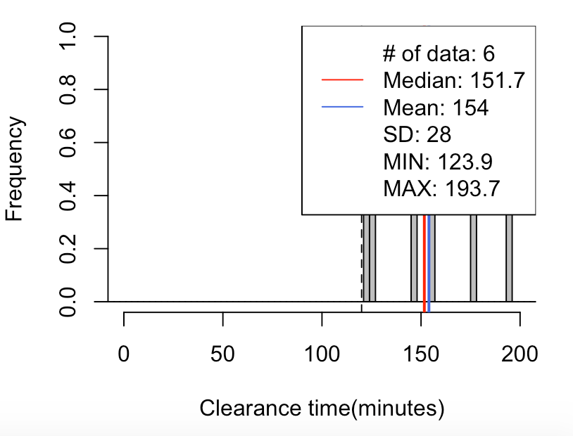

CPD-2 Lane-4
100% | >120
70// mean=154, median=152, SD=28, x=[124, 194], [120, 1200)-> 100%(6/6)
5% 10% 15% 20% 80% 85% 90% 95%
124.3 124.7 125.1 125.4 177.5 181.6 185.6 189.6

